Mexico trend
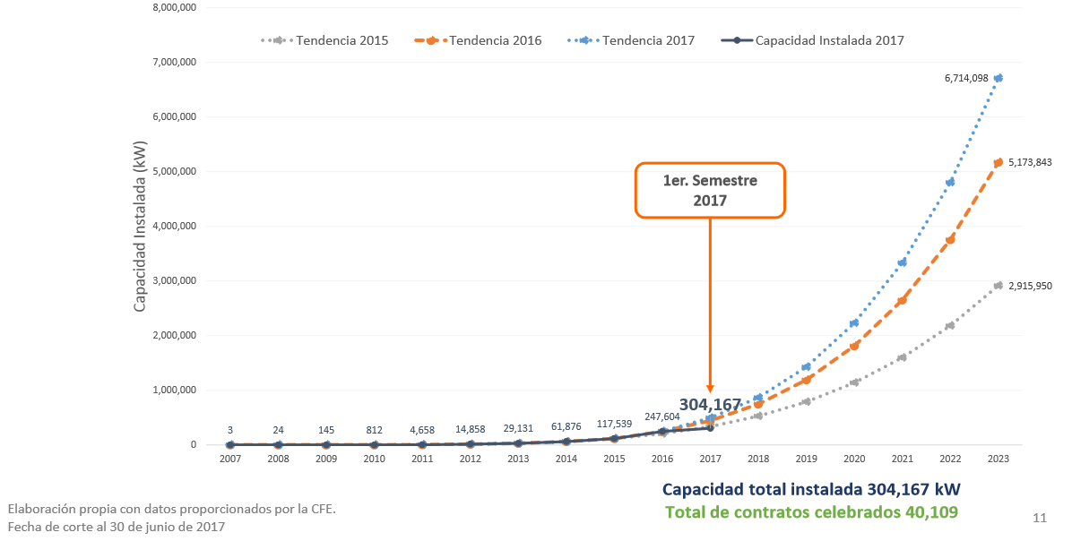
 |  |  |  |  |  |  |  |  |  |  |  |  | https://www.pv-magazine-mexico.com/2021/06/07/y-la-generacion-distribuida-continua/
 |  |  |  |  |  |  |  |  |  |  |  |  | Y la Generación Distribuida continúa Una mira compartida de Finsolar y Beetman, firmas mexicanas en el mercado de la generación fotovoltaica in situ de hasta 0.5 MW JUNIO 7, 2021 PV MAGAZINE La Generación Distribuida de energía en México, que consiste en la producción de menos de 0.5 megawatts instalados cerca de la zona de consumo sin el uso de la red, se multiplicó en más de ocho mil veces en una década, llegando a 975 megawatts instalados mediante 12,893 contratos firmados, por lo que es una de las rutas de crecimiento de las Energías Renovables, cuyo marco legal no ha tenido ninguna modificación por parte de la actual administración.

 |  | year | Installed capacity (reference scenario) (kW) | Policy lever scenario (kW) |  | Residential capacity (kW) | Commercial capacity (kW) | Urban residential capacity (kW) | Rural residential capacity (kW) | Commercial capacity (MW) | Urban residential capacity (MW) | Rural residential capacity (MW)
 |  | 2007 | 3 | 3 |  | 1.23 | 1.77 | 0.91 | 0.31 | 0.00 | 0.00 | 0.00
 |  | 2008 | 24 | 24 |  | 9.81 | 14.19 | 7.32 | 2.49 | 0.01 | 0.01 | 0.00
 |  | 2009 | 145 | 145 |  | 59.26 | 85.74 | 44.22 | 15.04 | 0.09 | 0.04 | 0.02
 |  | 2010 | 812 | 812 |  | 331.84 | 480.16 | 247.62 | 84.22 | 0.48 | 0.25 | 0.08
 |  | 2011 | 4658 | 4658 |  | 1903.57 | 2754.41 | 1420.45 | 483.12 | 2.75 | 1.42 | 0.48
 |  | 2012 | 14858 | 14858 |  | 6071.97 | 8785.98 | 4530.93 | 1541.04 | 8.79 | 4.53 | 1.54
 |  | 2013 | 29131 | 29131 |  | 11904.88 | 17226.03 | 8883.47 | 3021.41 | 17.23 | 8.88 | 3.02
 |  | 2014 | 61876 | 61876 |  | 25286.68 | 36589.12 | 18869.02 | 6417.66 | 36.59 | 18.87 | 6.42
 |  | 2015 | 117539 | 117539 |  | 48034.30 | 69504.31 | 35843.39 | 12190.92 | 69.50 | 35.84 | 12.19
 |  | 2016 | 247604 | 247,604 |  | 101187.57 | 146415.61 | 75506.56 | 25681.01 | 146.42 | 75.51 | 25.68
2017 |  | 2017 | 304167 | 304,167 |  | 124303.00 | 179863.00 | 92755.39 | 31547.61 | 179.86 | 92.76 | 31.55
 |  | 2018 | 527825 | 1,372,488.83 |  | 215704.50 | 312118.44 | 160959.54 | 54744.95 | 312.12 | 160.96 | 54.74
 |  | 2019 | 751482 | 2,440,810.67 |  | 307105.99 | 444373.87 | 229163.70 | 77942.29 | 444.37 | 229.16 | 77.94
 | CRE Junio 2020 | 2020 | 975140 | 3,509,132.50 | https://www.ric.mx/cultura/energia/generacion-distribuida-en-mexico/ | 398507.49 | 576629.31 | 297367.86 | 101139.63 | 576.63 | 297.37 | 101.14
 |  | 2021 | 1198798 | 4,577,454.33 |  | 489908.99 | 708884.74 | 365572.01 | 124336.97 | 708.88 | 365.57 | 124.34
 |  | 2022 | 1422455 | 5,645,776.17 |  | 581310.48 | 841140.18 | 433776.17 | 147534.31 | 841.14 | 433.78 | 147.53
 |  | 2023 | 1646113 | 6,714,098 |  | 672711.98 | 973395.61 | 501980.33 | 170731.65 | 973.40 | 501.98 | 170.73
 |  | 2024 | 1869771 | 7,782,419.83 |  | 764113.47 | 1105651.05 | 570184.48 | 193928.99 | 1105.65 | 570.18 | 193.93
 |  | 2025 | 2093428 | 8,850,741.67 |  | 855514.97 | 1237906.48 | 638388.64 | 217126.33 | 1237.91 | 638.39 | 217.13
 |  | 2026 | 2317086 | 9,919,063.50 |  | 946916.47 | 1370161.92 | 706592.79 | 240323.67 | 1370.16 | 706.59 | 240.32
 |  | 2027 | 2540744 | 10,987,385.33 |  | 1038317.96 | 1502417.35 | 774796.95 | 263521.01 | 1502.42 | 774.80 | 263.52
 |  | 2028 | 2764401 | 12,055,707.17 |  | 1129719.46 | 1634672.79 | 843001.11 | 286718.35 | 1634.67 | 843.00 | 286.72
 |  | 2029 | 2988059 | 13,124,029.00 |  | 1221120.96 | 1766928.22 | 911205.26 | 309915.69 | 1766.93 | 911.21 | 309.92
 |  | 2030 | 3211717 | 14,192,350.83 |  | 1312522.45 | 1899183.66 | 979409.42 | 333113.03 | 1899.18 | 979.41 | 333.11
 |  | 2031 | 3435374 | 15,260,672.67 |  | 1403923.95 | 2031439.09 | 1047613.58 | 356310.37 | 2031.44 | 1047.61 | 356.31
 |  | 2032 | 3659032 | 16,328,994.50 |  | 1495325.45 | 2163694.53 | 1115817.73 | 379507.71 | 2163.69 | 1115.82 | 379.51
 |  | 2033 | 3882690 | 17,397,316.33 |  | 1586726.94 | 2295949.96 | 1184021.89 | 402705.05 | 2295.95 | 1184.02 | 402.71
 |  | 2034 | 4106347 | 18,465,638.17 |  | 1678128.44 | 2428205.40 | 1252226.04 | 425902.39 | 2428.21 | 1252.23 | 425.90
 |  | 2035 | 4330005 | 19,533,960.00 |  | 1769529.93 | 2560460.83 | 1320430.20 | 449099.73 | 2560.46 | 1320.43 | 449.10
 |  | 2036 | 4553663 | 20,602,281.83 |  | 1860931.43 | 2692716.27 | 1388634.36 | 472297.07 | 2692.72 | 1388.63 | 472.30
 |  | 2037 | 4777320 | 21,670,603.67 |  | 1952332.93 | 2824971.70 | 1456838.51 | 495494.41 | 2824.97 | 1456.84 | 495.49
 |  | 2038 | 5000978 | 22,738,925.50 |  | 2043734.42 | 2957227.14 | 1525042.67 | 518691.75 | 2957.23 | 1525.04 | 518.69
 |  | 2039 | 5224636 | 23,807,247.33 |  | 2135135.92 | 3089482.57 | 1593246.83 | 541889.09 | 3089.48 | 1593.25 | 541.89
 |  | 2040 | 5448293 | 24,875,569.17 |  | 2226537.42 | 3221738.01 | 1661450.98 | 565086.43 | 3221.74 | 1661.45 | 565.09
 |  | 2041 | 5671951 | 25,943,891.00 |  | 2317938.91 | 3353993.44 | 1729655.14 | 588283.77 | 3353.99 | 1729.66 | 588.28
 |  | 2042 | 5895609 | 27,012,212.83 |  | 2409340.41 | 3486248.88 | 1797859.29 | 611481.11 | 3486.25 | 1797.86 | 611.48
 |  | 2043 | 6119266 | 28,080,534.67 |  | 2500741.91 | 3618504.31 | 1866063.45 | 634678.45 | 3618.50 | 1866.06 | 634.68
 |  | 2044 | 6342924 | 29,148,856.50 |  | 2592143.40 | 3750759.75 | 1934267.61 | 657875.79 | 3750.76 | 1934.27 | 657.88
 |  | 2045 | 6566582 | 30,217,178.33 |  | 2683544.90 | 3883015.18 | 2002471.76 | 681073.13 | 3883.02 | 2002.47 | 681.07
 |  | 2046 | 6790239 | 31,285,500.17 |  | 2774946.39 | 4015270.62 | 2070675.92 | 704270.47 | 4015.27 | 2070.68 | 704.27
 |  | 2047 | 7013897 | 32,353,822.00 |  | 2866347.89 | 4147526.05 | 2138880.08 | 727467.81 | 4147.53 | 2138.88 | 727.47
 |  | 2048 | 7237555 | 33,422,143.83 |  | 2957749.39 | 4279781.49 | 2207084.23 | 750665.15 | 4279.78 | 2207.08 | 750.67
 |  | 2049 | 7461212 | 34,490,465.67 |  | 3049150.88 | 4412036.92 | 2275288.39 | 773862.49 | 4412.04 | 2275.29 | 773.86
 |  | 2050 | 7684870 | 35,558,787.50 |  | 3140552.38 | 4544292.36 | 2343492.54 | 797059.83 | 4544.29 | 2343.49 | 797.06

